Main reports

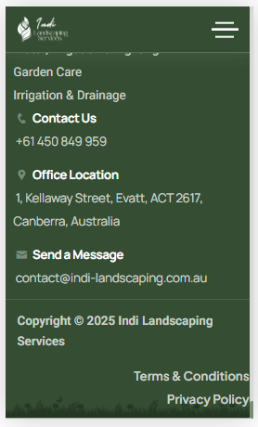
6 | 7 | 8

